Cheatsheet
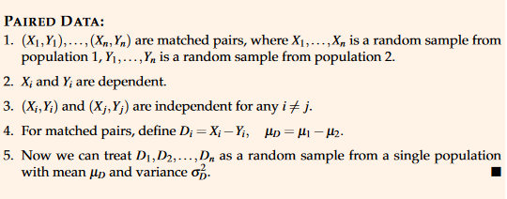
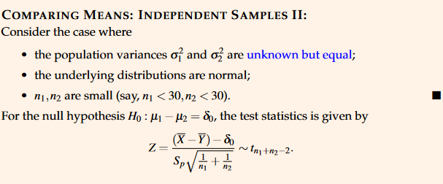
How to calculate absolute Z = |Z|
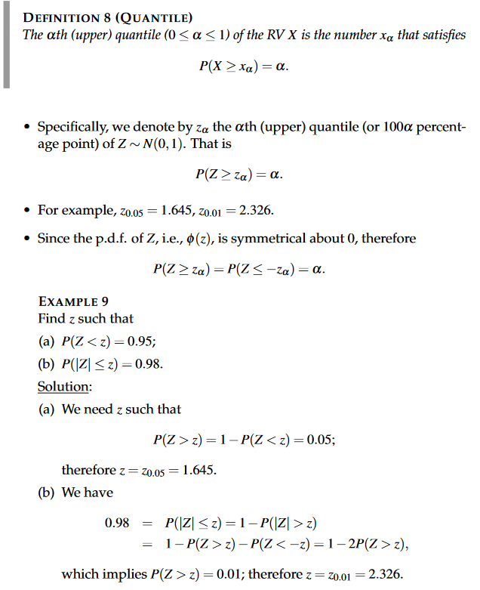
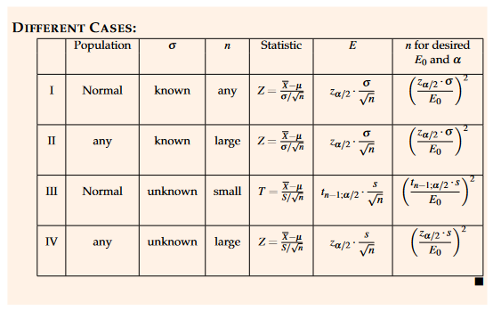
 | False positive
 | P(A|B)
 | P(B|A)
 | P(A)
 | P(B)

Chapters 1-5
P&C |  | Discrete |  |  | Continuous |  | Sampling |  | Variance testing |  | Calculator for Data Points |  |  | Calculator for Data Points
 |  |  |  |  |  |  |  |  |  |  |  | EQUAL WEIGHT
Combinations |  | Binomial |  |  | Normal |  | M/SD info known |  | Chi-square |  | Data Points |  |  | Data Points | Data Points Squared | Proportion | Weighted | Weighted Squared
Total items n | 4 | Total trials | 6 |  | Mean | 60 | Population mean | 0.8 | Pop variance | 4 | 7950 | Sample Mean | 7940 | 39 | 1521 | 0.2 | 7.8 | 304.2 | Sample Mean | 111.8
Selected items r | 2 | Probability | 0.66666666667 |  | SD | 10 | Population SD | 0.1 | Sample variance | 0.060444444 | 7890 | Sample Variance | 10920 | 65 | 4225 | 0.1 | 6.5 | 422.5 | Sample Variance | 3144.96
nCr | 6 | # of successes X | 2 |  | x | 75 | Sample size | 100 | Degrees of freedom | 6 | 7900 | Sample S.D | 104.49880382 | 105 | 11025 | 0.15 | 15.75 | 1653.75 | Sample S.D | 56.079942939
 |  | 2nd Value (opt) | 6 |  | lower bound x (opt) | 70 | Value of 1 sample | 0.82 | Required value x | 0.090666666 | 8140 | Sample Size | 6 | 105 | 11025 | 0.25 | 26.25 | 2756.25 | Sample Size | 6
Permutations |  | pdf (specific value X=x) | 0.082304526749 |  | pdf | 0.012951759567 | 2nd Value (opt) |  | P( > x) | 0.99998499098 | 7920 | Sum of Squares | 378316200 | 145 | 21025 | 0.1 | 14.5 | 2102.5
Total items n | 4 | cdf ( < 2) | 0.10013717421 |  | cdf ( <= x ) | 0.93319279873 | P( <= x ) | 0.97724986805 | P( <= x) | 1.5009024471E-05 | 7840 |  |  | 205 | 42025 | 0.2 | 41 | 8405
Selected items r | 2 | cdf ( < 1) | 0.017832647462 |  | cdf ( >= x ) | 0.066807201269 | P( > =x ) | 0.022750131948 |  |  |  |  |  |  | 0 |  | 0 | 0
nPr | 12 | cdf P(X>=2) == 1-P(X<1) | 0.98216735254 |  | cdf (between) | 0.091848052663 | P( between ) | 0 | Chi-square inverse |  |  |  |  |  | 0 |  | 0 | 0
 |  | E(X) | 4 |  | Note: ENTER SD, NOT VARIANCE |  |  |  | Degrees of freedom | 24 |  |  |  |  | 0 |  | 0 | 0
Factorials |  | Var(X) | 1.3333333333 |  |  |  | T from normal dist |  | Alpha | 0.05 |  |  |  |  | 0 |  | 0 | 0
Value of | 6 | Negative Binomial |  |  | Standard Normal |  | Sample mean | 175 | Left tail value | 13.848425027 |  |  |  |  | 0 |  | 0 | 0
Factorial of value | 720 | kth Successes needed | 2 |  | Upper bound Z | -2 | Sample SD | 30 | Right tail value (USE) | 36.415028502 |  |  |  |  | 0 |  | 0 | 0
 |  | Probability | 0.167 |  | Lower bound (opt) Z |  | Sample size | 50 |  |  |  |  |  |  | 0 |  | 0 | 0
 |  | Fail count by then (i.e. Total trials - Successes needed) | 3 |  | Probability ( <= x ) | 0.022750131948 | Expected mean | 180 | F Distribution |  |  |  |  |  | 0 |  | 0 | 0
Miscellanous |  | X Total trials | 5 |  | Probability (between) | 0 | cdf ( <= x ) | 0.12214216577 | Df for sample 1 | 4 |  |  |  |  | 0 |  | 0 | 0
 |  | pdf (specific value X=x) | 0.064300411523 |  |  |  | cdf ( >= x ) | 0.87785783423 | Df for sample 2 | 5 |  |  |  |  | 0 |  | 0 | 0
Chebyshev |  | cdf (X < 5) | 0.19624485597 |  | Central Limit Theorem |  | Deviation count | -1.178511302 | x | 1.4423076923 |  |  |  |  | 0 |  | 0 | 0
Number of SDs | 0.2 | cdf (X < 4) | 0.13194444444 |  | Pop Mean = Sample mean | 7950 |  |  | P(S1/S2 < x) | 0.65640520909
Probability (1-tail) | 12.5 | cdf P(X >=5) == 1-P(X<4) | 0.87 |  | Pop Var | 100 | T distribution |  | P(S1/S2 => x) | 0.34359479091
Probability (2-tail) | 25 | Var(X) | 60 |  | n | 25 | Degrees of freedom | 27
 |  | E(X) | 12 |  | Sample Var | 4 | Deviations away | -0.8685 | F inverse
Probability outside | 0.04 |  |  |  | x to test | 7960 | 1-tail probability | 0.19638765483 | Df for sample 1 | 7
Number of SDs | 5 | Poisson |  |  | Obv Z | 5 | 2-tail probability | #NUM! | Df for sample 2 | 11
known variance | 2 | Frequency or mean | 5 |  | cdf ( <=x) | 0.99999971335 |  |  | Alpha | 0.025
dist bound | 10 | Units of time | 1 |  | cdf ( >= x ) | 2.8665157192E-07 | T inverse |  | Left tail value | 0.21233812515
required n | 0.5 | x | 20 |  |  |  | Degrees of freedom | 11 | Right tail value | 3.7586379184
 |  | 2nd Value (opt) |  |  | Inverse Normal |  | Probability
 |  | pdf (specific value X=x) | 2.6412107749E-07 |  | Mean | 0 | Deviation count | #NUM!
 |  | cdf ( <= x ) | 0.99999991891 |  | SD | 1
 |  | cdf(<x) | 0.99999965479 |  | Probability value | 0.95
 |  | cdf(x>=) | 3.4521358205E-07 |  | Value required | 1.644853627 | Find p value
 |  | Note: 2nd Value MUST be lower bound |  |  |  |  | actual Z/T value | 1.18
 |  | Note: 2nd Value inclusive |  |  | Inverse Std Normal (z from p) |  | pdf/cdf | pdf
 |  |  |  |  | Probability value | 0.98 | p from Z | 0.19886311939
 |  | Poisson Binomial |  |  | Deviation count | 2.0537489106
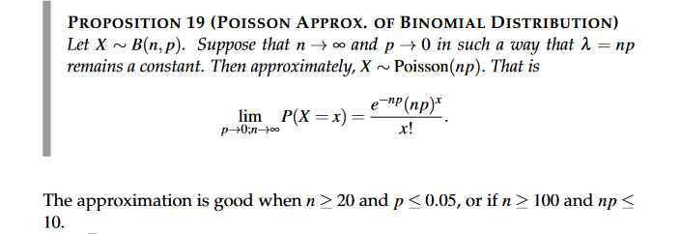
 |  |  |  |  | Exponential
 |  |  |  |  | Mean | 2
 |  |  |  |  | x | 30000
 |  |  |  |  | 2nd Value (opt) |  | Normal Approx Binomial
 |  |  |  |  | pdf | 0
 |  |  |  |  | cdf ( <= x ) | 1
 |  |  |  |  | cdf ( > x ) | 0
 |  | probability | 0.0005 |  |  |  | n | 100
 |  | number (n>=20) | 10000 |  |  |  | p | 0.9
 |  |  |  | x |  |  | X (upper) | 100.5
 |  | pdf (X=0) | 0.0067379469991 | 0 |  |  | X (lower) | 79.5
 |  | pdf (X=1) | 0.033689734995 | 1 |  |  | p upper | 0.99976737092
 |  | pdf (X=2) | 0.084224337489 | 2 |  |  | p lower | 0.00023262907904
 |  | pdf (X=3) | 0.14037389581 | 3 |  |  | p between | 0.99953474184
 |  | pdf (X=4) | 0.17546736977 | 4
 |  | pdf (X=5) | 0.17546736977 | 5
 |  | pdf (X=6) | 0.14622280814 | 6
 |  | pdf (X=7) | 0.10444486296 | 7
 |  | pdf (X=8) | 0.065278039348 | 8
 |  | pdf (X=9) | 0.036265577416 | 9
 |  | pdf (X=10) | 0.018132788708 | 10

 |  | P(X>=2) | 0.013695268598

Chapters 6-7
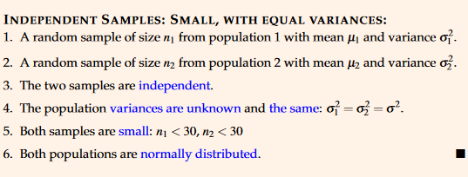
 |  |  | Note for Hypothesis Testing: For Type field, enter 0 for two-tailed test, 1 for > one-tailed test, 2 for < one-tailed test
Calculator for Data Points
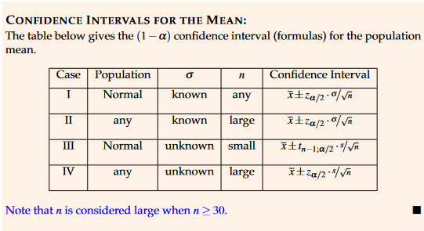
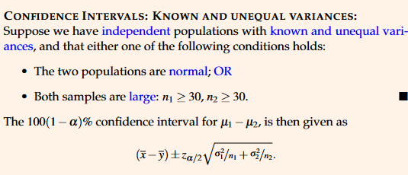

Data Points |  |  | Mean Confidence Interval for Known Variance |  | Mean Confidence Interval for Unknown Variance and n < 30 |  | Difference between Two Means Confidence Interval, Unknown but Equal Variance |  | Difference between Two Means Confidence Interval, Known Variance (or unknown variance with large sample) |  | Variance Confidence Interval for Known Mean |  |  |  | Variance Confidence Interval for Unknown Mean |  | Ratio of Two Variance
20 | Sample Mean | 22 | Population S.D | 40 | Sample S.D | 2.7646 | Sample Mean 1 | 23.625 | Sample Mean 1 | 36 | Sample Data | (Xi-mu)^2 | Results |  | Sample S.D | 1.39 | Sample S.D 1 | 8.8769 | Addition between Two Means Confidence Interval, Known Variance (or unknown variance with large sample)
19 | Sample Variance | 6.5 | Sample Mean | 200 | Sample Mean | 1.75 | Sample Mean 2 | 21.875 | Sample Mean 2 | 42 |  | 0 | Sum( (Xi-Mu)^2 ) [FROM INPUT SAMPLE] | 0 | Sample Mean | 21 | Sample S.D 2 | 30.221 | Sample Mean 1 | 170
24 | Sample S.D | 2.5495097568 | Sample Size | 100 | Sample Size | 8 | Sample S.D 1 | 5.0409 | Population S.D 1 | 6 |  | 0 | Sum( (Xi-Mu)^2 ) [Pre-Calculated] |  | Sample Size | 9 | Sample Size 1 | 5 | Sample Mean 2 | 160
22 | Sample Size | 5 | Signifiance Level (a) | 0.05 | Significance Level (a) | 0.05 | Sample S.D 2 | 4.1555 | Population S.D 2 | 8 |  | 0 | Population Mean | 2.8 | Significance Level (a) | 0.05 | Sample Size 2 | 7 | Population S.D 1 | 20
25 | Sum of Squares | 2446 | Z-(a/2) | 1.9599639845 | T-value required | 2.3646242516 | Sample Size 1 | 8 | Sample Size 1 | 50 |  | 0 | Sample Size | 10 | Chi-square(n-1,a/2) | 2.1797307473 | Significance Level | 0.05 | Population S.D 2 | 15
 |  |  | Confidence Interval | 7.8398559382 | Confidence Interval | 2.3112634399 | Sample Size 2 | 8 | Sample Size 2 | 75 |  | 0 | Significance Level (a) | 0.01 | Chi-square(n-1,1-a/2) | 17.534546139 | F(n1-1, n2-1; a/2) | 6.2271611644 | Sample Size 1 | 30
 |  |  | Upper Bound | 207.83985594 | Upper Bound | 4.0612634399 | Significance Level (a) | 0.05 | Significance Level (a) | 0.04 |  | 0 | Chi-square(n-1,a/2) | 1.734932905 | Upper Bound | 7.0911510605 | F(n1-1, n2-1; 1-a/2) | 0.10872743037 | Sample Size 2 | 30
 |  |  | Lower Bound | 192.16014406 | Lower Bound | -0.56126343994 | Point estimate for difference | 1.75 | Difference Between 2 Means | 6 |  | 0 | Chi-square(n-1,1-a/2) | 23.589350781 | Lower Bound | 0.8815055649 | Upper Bound | 0.79353460239 | Significance Level (a) | 0.04
 |  |  |  |  |  |  | Z-value/T-value | 2.1447866879 | Z-value | 2.0537489106 |  | 0 | Upper Bound | 0 |  |  | Lower Bound | 0.013855266622 | Difference Between 2 Means | 330
 |  |  | This also works for Mean Confidence Interval for Unknown Variance when n > 30 and Paired Data when n > 30, just replace population S.D with sample S.D or point estimate of S.D |  | This also works for Paired Data when n <= 30, replace Sample S.D with point estimate of S.D |  | Estimated Paired Variance | 21.33942653 | Confidence Interval | 2.5760703442 |  | 0 | Lower Bound | 0 |  |  |  |  | Z-value | 2.0537489106
 |  |  |  |  |  |  | Estimated Paired S.D | 4.6194617143 | Upper Bound | 8.5760703442 |  | 0 |  |  |  |  | assume normally distributed |  | Confidence Interval | 9.3740383817
 |  |  |  |  |  |  | Confidence Interval | 4.9538799951 | Lower Bound | 3.4239296558 |  | 0 |  |  |  |  |  |  | Upper Bound | 339.37403838
 |  |  |  |  |  |  | Upper Bound | 6.7038799951 |  |  |  | 0 |  |  |  |  |  |  | Lower Bound | 320.62596162
 |  |  |  |  |  |  | Lower Bound | -3.2038799951 | Works for unknown population variance (n1,n2 sufficiently large > 30) |  |  | 0
 |  |  | assumes two-tailed |  |  |  |  |  | Requires populations normal or sufficiently large (>= 30) |  |  | 0
 |  |  |  |  |  |  | NOTE: The confidence interval cell automatically chooses t-distribution for n <= 30 and normal-distribution (z) for n > 30 |  | Produces for x1-x2 |  |  | 0
 |  |  |  |  |  |  |  |  |  |  |  | 0
 |  |  |  |  |  |  |  |  |  |  |  | 0
 |  |  |  |  |  |  |  |  |  |  |  | 0
 | Maximum Error of Estimate |  | Hypothesis Testing with Known Variance |  | Hypothesis Testing with Unknown Variance |  | Hypothesis Testing for Difference Between 2 Means with Known Variance |  | Hypothesis Testing for Difference Between 2 Means with Unknown but Equal Variance |  |  |  |  |  | Hypothesis Testing for Ratio of Variance
 | Population SD | 3.5 | Type | left | Type | both | Type | both | Type | both |  |  |  |  | Type | 1
 | n | 50 | Population Mean (H0) | 23.625 | Population Mean (H0) | 21.875 | Population Mean 1 | 25 | Population Mean 1 | 0 |  |  |  |  | Sample S.D 1 | 6.1
 | probability | 0.99 | Population S.D | 5.0409 | Sample S.D | 5.0409 | Population Mean 2 | 24 | Population Mean 2 | 0 |  |  | Hypothesis Testing for Variance |  | Sample S.D 2 | 5.3
 | Maximum Error of Estimate | 1.2749704574 | Sample Mean | 21.875 | Sample Mean | 23.625 | Population S.D 1 | 1 | Sample S.D 1 | 180.019 |  |  | Type | 0 | Sample Size 1 | 11
 |  |  | Sample Size | 8 | Sample Size | 8 | Population S.D 2 | 1 | Sample S.D 2 | 231.953 |  |  | Population Variance (H0) | 0.03 | Sample Size 2 | 14
 |  |  | Signifiance Level (a) | 0.05 | Significance Level (a) | 0.05 | Sample Mean 1 | 23.625 | Sample Mean 1 | 2800 |  |  | Sample S.D | 0.24585 | Significance Level (a) | 0.05
 | Sample Size for Given Margin of Error |  | Observed Z | 0.98191740925 | Observed T | 0.98191740925 | Sample Mean 2 | 21.875 | Sample Mean 2 | 3000 |  |  | Sample Size | 10 | Observed F Value | 1.3246707013
 | Population S.D | 3.5 | p-value | 0.83692973084 | p-value | 0.35885213587 | Sample Size 1 | 36 | Sample Size 1 | 14 |  |  | Significance Level (a) | 0.05 | Critical F Value (upper) | 2.6710242286
 | Margin of Error | 0.5 | Critical Z Value (Upper) | NA | Critical t value (Upper) | 2.3646242516 | Sample Size 2 | 36 | Sample Size 2 | 14 |  |  | Observerd Chi-square | 18.13266675 | Critical F Value (lower) | NA
 | Significance Level (a) | 0.01 | Critical Z Value (Lower) | -1.644853627 | Critical t value (Lower) | -2.3646242516 | Significance Level | 0.05 | Significance Level | 0.01 |  |  | p-value | 0.067330394137 | p-value | 0.31182852731
 | n | 325.10993345 | Accept H0? | TRUE | Accept H0? | TRUE | Difference Between 2 Means | 1 | expected difference | 0 |  |  | Critical chi-square value (upper) | 19.022767799 | Accept H0? | TRUE
 |  |  | Reject H0? | FALSE | Reject H0? | FALSE | Observed Z value | 3.1819805153 | observed difference | -200 |  |  | Critical chi-square value (lower) | 2.7003895 | Reject H0? | FALSE
 |  |  |  |  |  |  | p-value | 1.9985372834 | Estimated Pair Variance | 43104.517285 |  |  | Accept H0? | TRUE
 |  |  |  |  |  |  | Critical Z Value (Upper) | 1.9599639845 | Estimated Paired S.D | 207.61627413 |  |  | Reject H0? | FALSE | assume normal, unknown means
 |  |  |  |  |  |  | Critical Z Value (Lower) | -1.9599639845 | Observed T value | -2.5486935666
 |  |  | Required sample size to bound estimate |  | Can also be used for Paired Data |  | Accept H0? | TRUE | Critical T Value (Upper) | 2.7787145333 |  |  | assume normal
 |  |  | Population S.D | 0.3 |  |  | Reject H0? | FALSE | Critical T Value (Lower) | -2.7787145333
 |  |  | e | 0.05 |  |  |  |  | p-value | 0.017061302455
 |  |  | Signifiance Level (a) | 0.05 |  |  | If only difference between means are given, enter the difference in population mean 1 and 0 in population mean 2. Can also be used for unknown variance with large sample size n >= 30 |  | Accept H0? | TRUE
 |  |  | Z- (a/2) | 1.9599639845 |  |  |  |  | Reject H0? | FALSE
 |  |  | required sample size | 138.29251754
 |  |  |  |  |  |  |  |  | requires populations normal

validate expectations
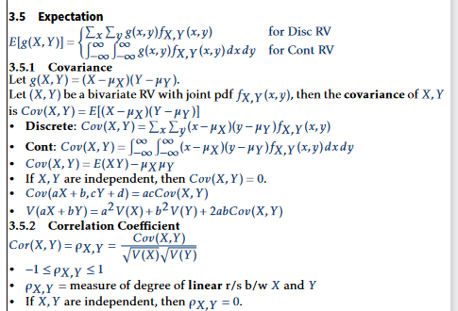
E(X) | E(Y) | E(X^2) | E(Y^2) | E(XY) | Var(X) | Var(Y) | Cov(X,Y) | corr(X,Y)
1 | 2 | 0.5 | 0.5 | 0.6 | 3 | 4 | 0.35 | 0.10103629711

 |  |  | a | b | Var(X) | Var(Y)
 |  | Var(aX + bY) | 2 | -1 | 3 | 4
 |  | 16

